Sheet1
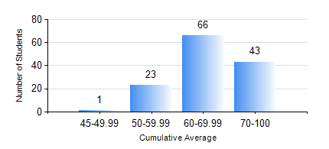
 |  |  | KWAME NKRUMAH UNIVERSITY OF SCIENCE AND TECHNOLOGY, KUMASI Department of Geological Engineering

 |  |  | BSC. GEOLOGICAL ENG.

 |  |  | COMPREHENSIVE RECORD OF EXAMINATION RESULTS

 |  |  | RESULTS OF YEAR 4 FIRST SEMESTER, 2021/2022 ACADEMIC YEAR

 | Sn | Course Code |  | Course Name | Credit Hours | Min. Mark | Max. Mark | Avg. Mark | Std. Dev. | No. Passed | No. Trailed | No. (Df) | No. (I) | No. (I*) | No. Tagged(I,I*,Df) | Total
 | 1. | CE 477 |  | GEOTECHNICAL ENGINEERING I | 3 | 35 | 77 | 58 | 8.44 | 132 | 1 | 0 | 0 | 0 | 0 | 133
 | 2. | GED 451 |  | REGIONAL GEOLOGY | 3 | 26 | 79 | 50 | 11.77 | 122 | 11 | 0 | 0 | 0 | 0 | 133
 | 3. | GED 457 |  | PROJECT 1 | 3 | 55 | 87 | 78 | 6.15 | 133 | 0 | 0 | 0 | 0 | 0 | 133
 | 4. | GED 459 |  | EXPLORATION GEOCHEMISTRY | 2 | 34 | 84 | 61 | 9.12 | 130 | 3 | 0 | 0 | 0 | 0 | 133
 | 5. | GED 461 |  | EXPLORATION GEOPHYSICS | 2 | 18 | 83 | 54 | 12.93 | 121 | 12 | 0 | 0 | 0 | 0 | 133
 | 6. | GED 465 |  | ENGINEERING GEOLOGICAL INVESTIGATIONS | 2 | 42 | 78 | 64 | 8.02 | 133 | 0 | 0 | 0 | 0 | 0 | 133
 | 7. | GED 471 |  | INDUSTRIAL TRAINING | 0 | 61 | 88 | 77 | 5.73 | 132 | 0 | 1 | 0 | 0 | 1 | 133
 | 8. | GED 475 |  | PRINCIPLES OF HYDROGEOLOGY | 3 | 33 | 95 | 67 | 12.26 | 132 | 1 | 0 | 0 | 0 | 0 | 133

